The Covernator
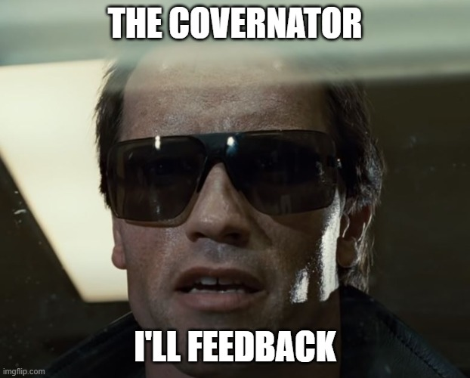
 |  | C:\repo\opengeh-wholesale\source\databricks\calculation_engine\tests\coverage\
Total number of CASES | 71
Cases not covered in a scenario | 2

Total number of SCENARIOS | 29
Data products | 9
Energy calculations | 13
Wholesale calculations | 7

Total number of RESULTS | 60
energy_calculation | 17
wholesale_calculation | 14
wholesale_basis_data | 6
wholesale_results | 9
wholesale_sap | 3
wholesale_settlement_reports | 11

Results without coverage | 4

